Blad1
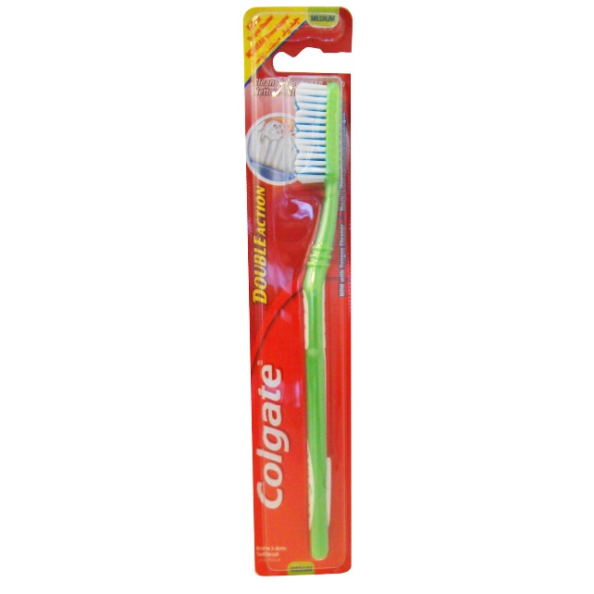
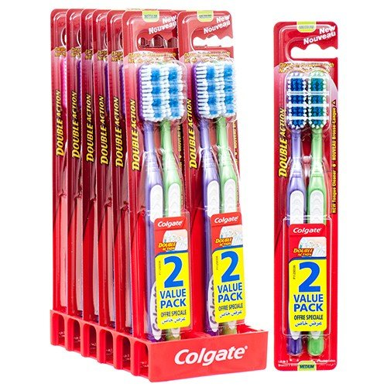
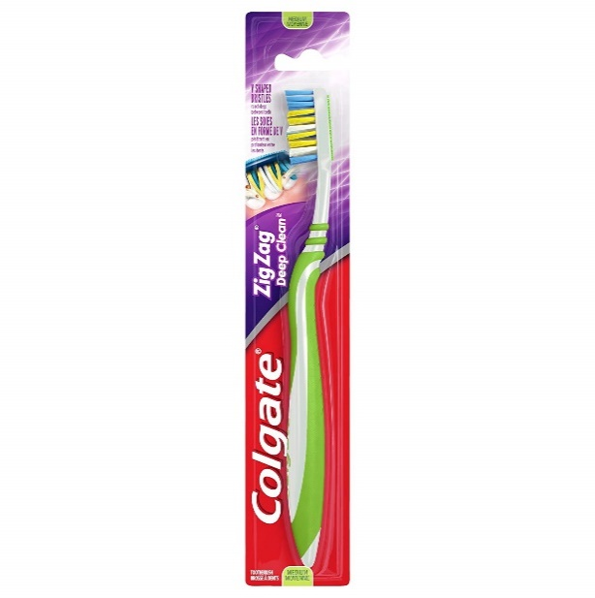
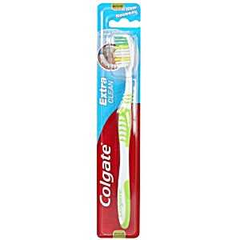
Offer 200323 Colgate Toothbrushes

 |  |  |  |  |  |  |  |  | stock
Category | Brand | Barcode | Item Description | Carton (PCS) | Size | Origin | available cases | cases/pallet | total pallets | Euro/pc

TOOTHBRUSH | COLGATE | 6001067004943 | COLGATE ZIG ZAG MEDIUM TOOTHBRUSH | 120 | MEDIUM | VIETNAM | 306 | 64 | 4.78 | 0.33
TOOTHBRUSH | COLGATE | 6001067004936 | COLGATE ZIG ZAG SOFT TOOTHBRUSH | 120 | SOFT | VIETNAM | 306 | 64 | 4.78 | 0.33
TOOTHBRUSH | COLGATE | 6001067007289 | COLGATE DOUBLE ACTION MEDIUM TOOTHBRUSH | 120 | MEDIUM | VIETNAM | 206 | 64 | 3.22 | 0.26
TOOTHBRUSH | COLGATE | 6001067001485 | COLGATE DOUBLE ACTION TWINPACK MEDIUM TOOTHBRUSH | 72 | MEDIUM | VIETNAM | 230 | 40 | 5.75 | 0.40
TOOTHBRUSH | COLGATE | 8714789823775 | COLGATE DEEP CLEAN MEDIUM TOOTHBRUSH | 72 | MEDIUM | VIETNAM | 370 | 70 | 5.75 | 0.23
TOOTHBRUSH | COLGATE | 6001067022558 | COLGATE EXTRA CLEAN MEDIUM TOOTHBRUSH | 120 | MEDIUM | VIETNAM | 316 | 64 | 4.75 | 0.26

